Sheet1
Date | Module | Sub Module | Task Description | Issue

12 sept 2017 | Car | Car Type Incident | Understanding the Car Module Discuss with Pranav &Prajwal

13 sept 2017 | Car | Car Type Incident | Mannualy Checking Car Module ,checking validationMannualy

14 sept 2017 | Car | Car Type Incident | Start Writing script On CarType Incident and Maintaing Excel for input data

15 sept 2017 | Car | Car Type Incident | Writing Script To validate Date ,Title,Followup,Attachment. Maintain Excel Input Data | Edit >Title realted issue

18 sept 2017 | Car | Car Type Incident | Write Script to Create Multiple CA ,PA. Write script to Create multiple Car type Incident ,Edit that incident And delete Using Job ID | Date formate issue Every Place

19 sept 2017 | Car | INCIDENT REPORT | Write Script for INCIDENT REPORT type ,Write script for Edit Incident Report, Mantaning locator Excel for that

20 sept 2017 | Car | INCIDENT REPORT | Maintain Input Data For Edit Incident report & Write script for to validate Create New job For Incident Type Report | Adding New Job Vessel Already selected,Date Formate Issue
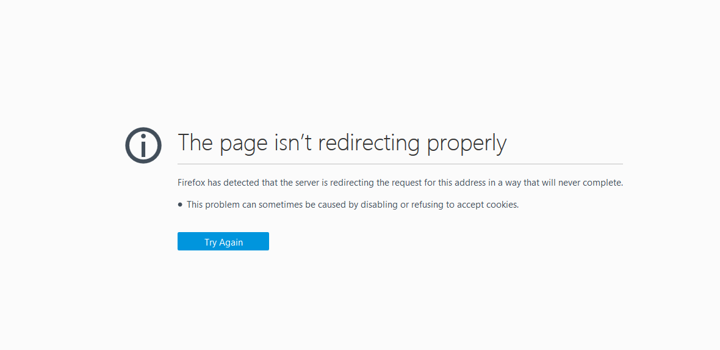
21 sept 2017 | Car | INCIDENT REPORT | write Script for Next & Final due date Validation .Create Multiple Data for that | Solving Code related Issue(script Execuite Together)

22 sept 2017 | Car | INCIDENT REPORT | Write Script for to Validate Description ,Incident Details , Evidence Review,Investigation Details and Mainting Excel Inpute Data and Execute Script | Add Evidence Review >Enter Tiltle >Save >Edit >Clear title>Save(The page isn’t redirecting properly)

23 sept 2017 | Car | INCIDENT REPORT | Write Script for to Validate Equipment Location, Categories Follow up and Mainting Excel Inpute Data and Execute Script | Add Evidence Review >Enter Tiltle >Save >Edit >Clear title>Save(The page isn’t redirecting properly)

25 sept 2017 | Car | INCIDENT REPORT | Write Script For crew Involved,Executing Incident Report Script ,solving Issue. Started office Task

